Actual Operation Evidence
Actual Operation Evidence

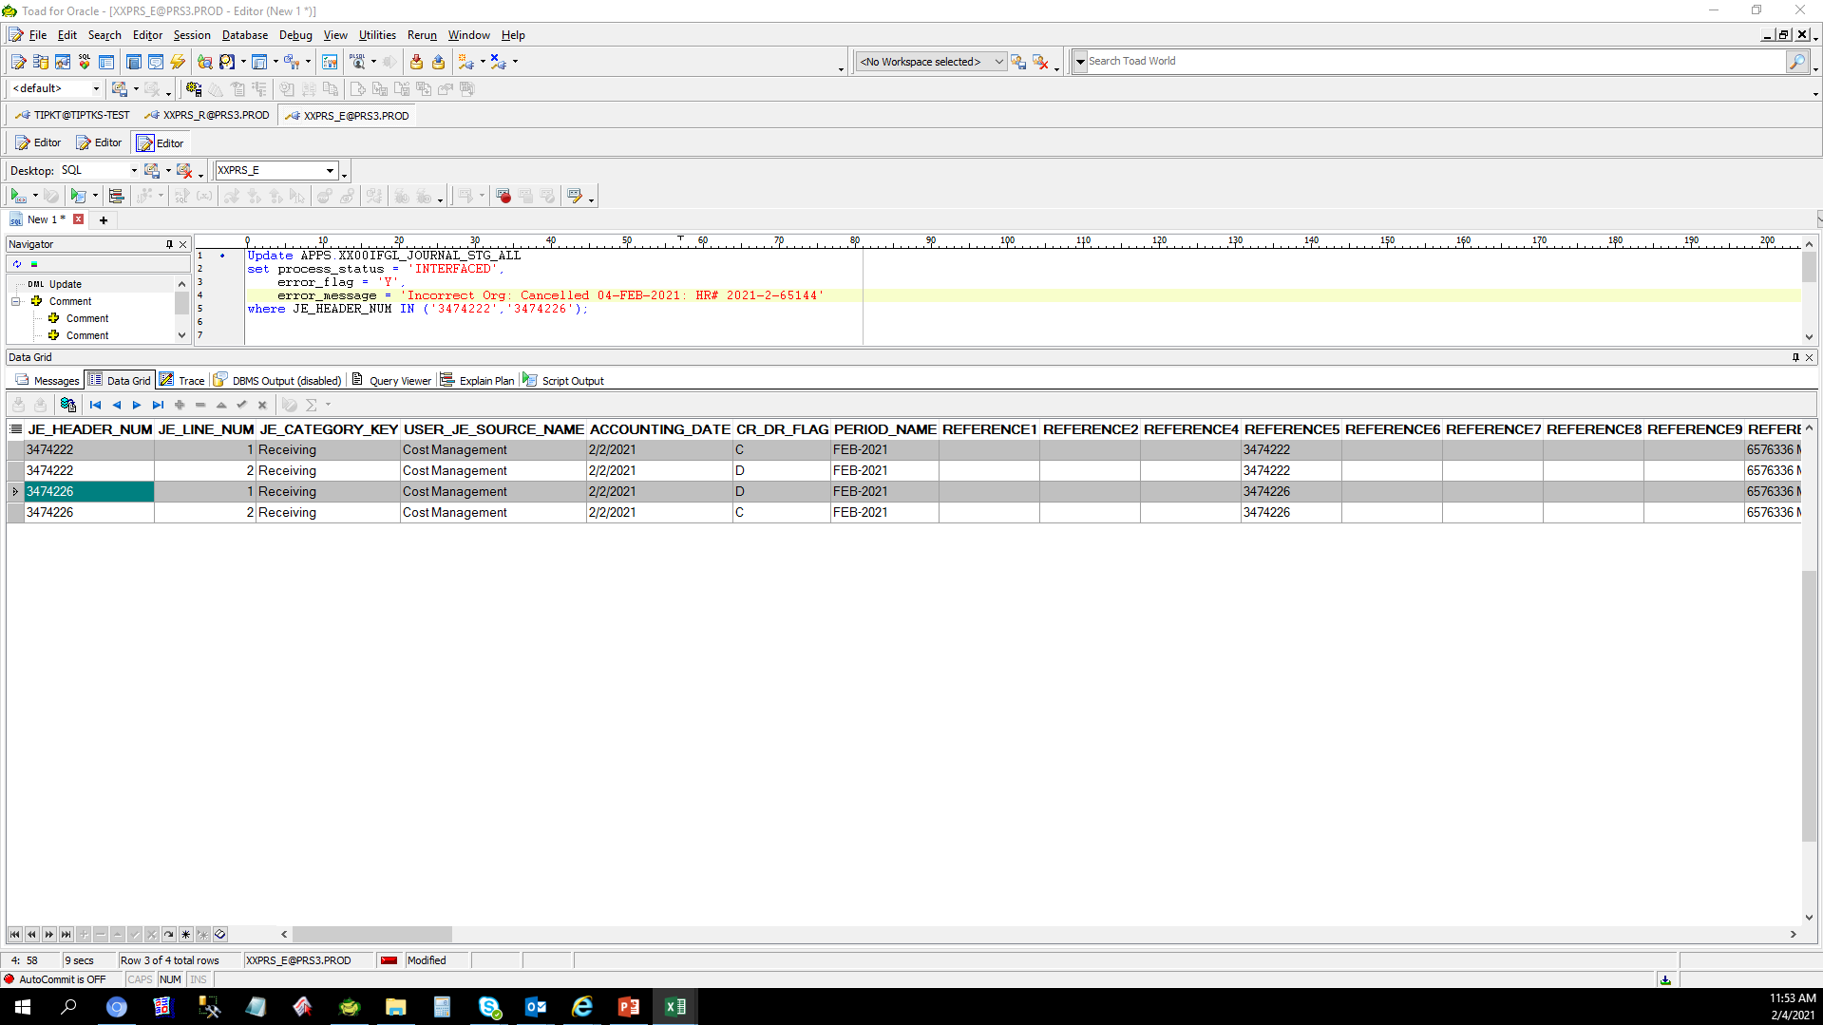

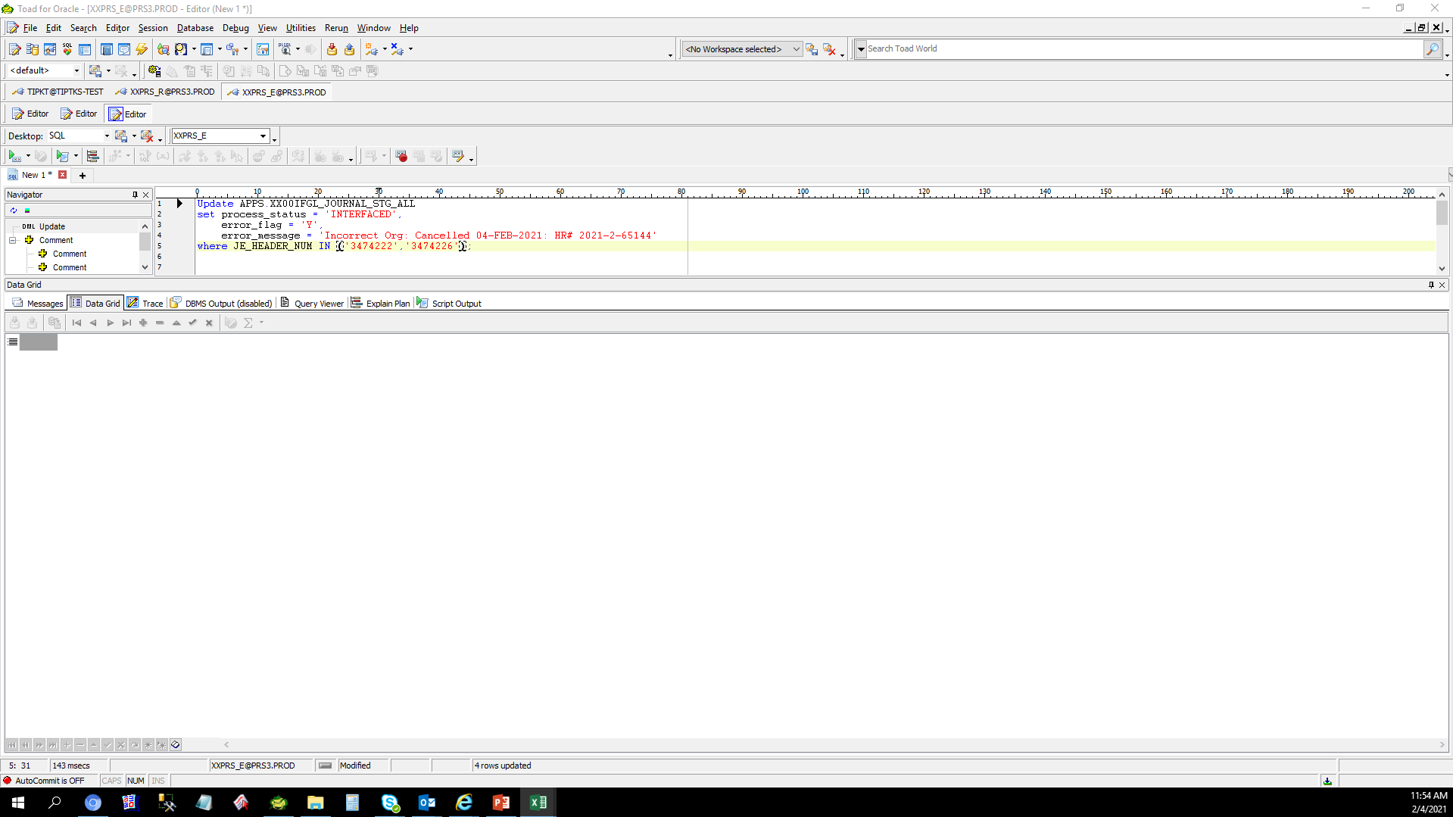

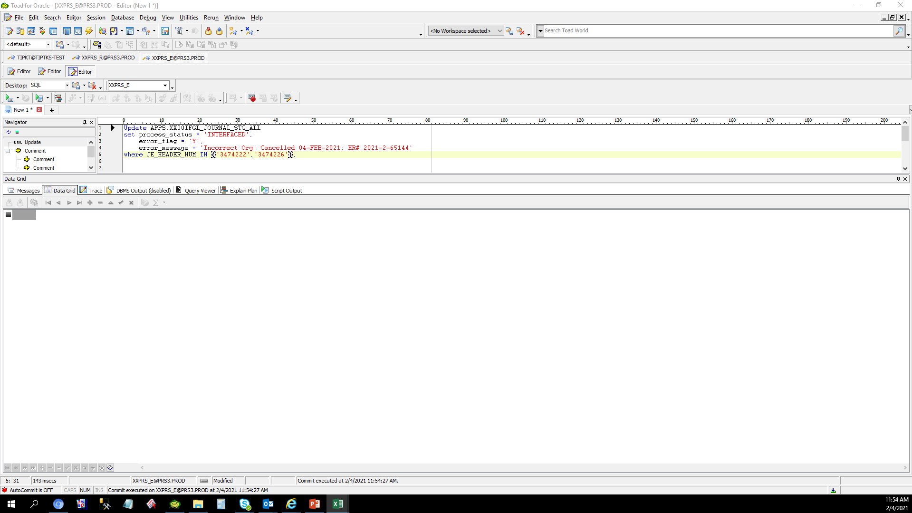

 | IA Recovery - After Recovery in GL

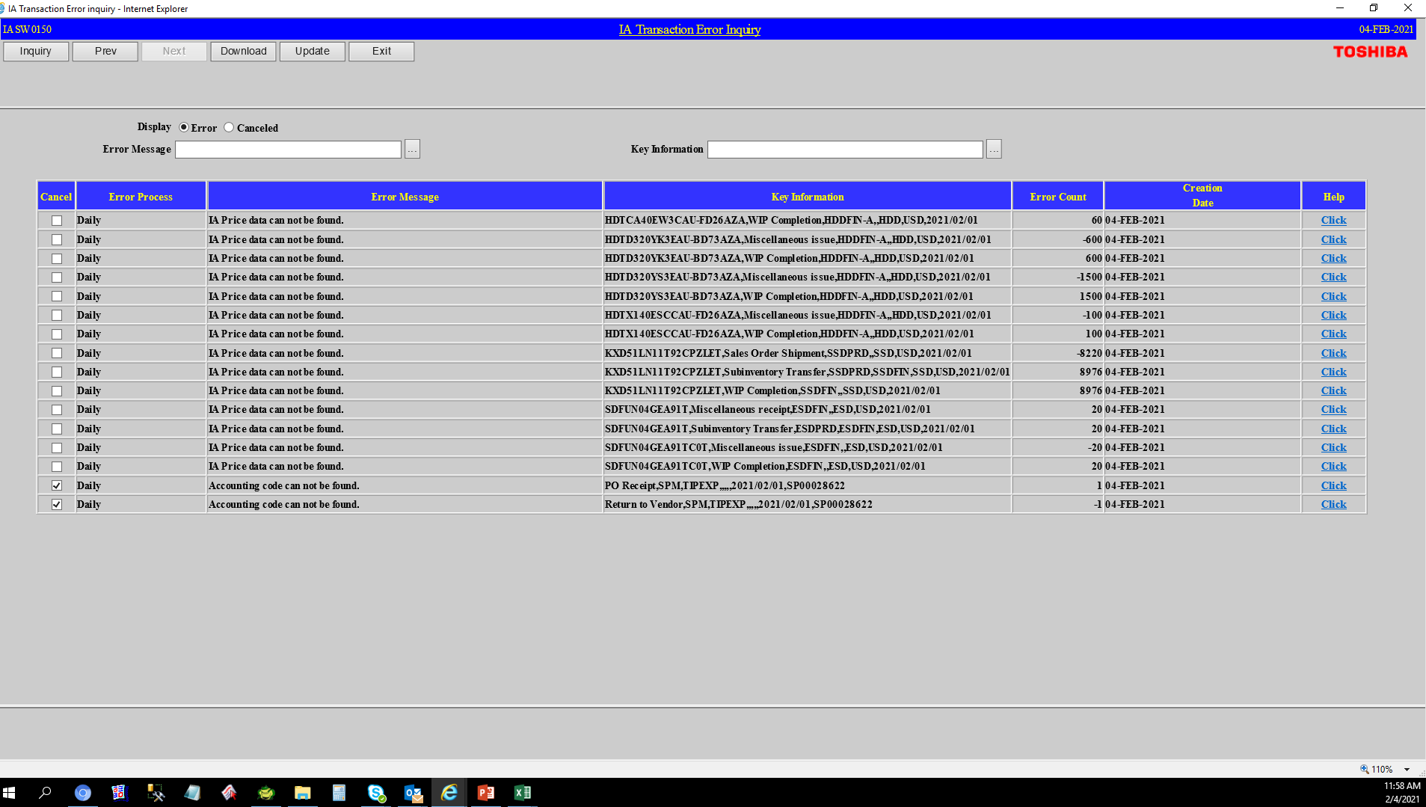

 |  | S

Helpdesk Request
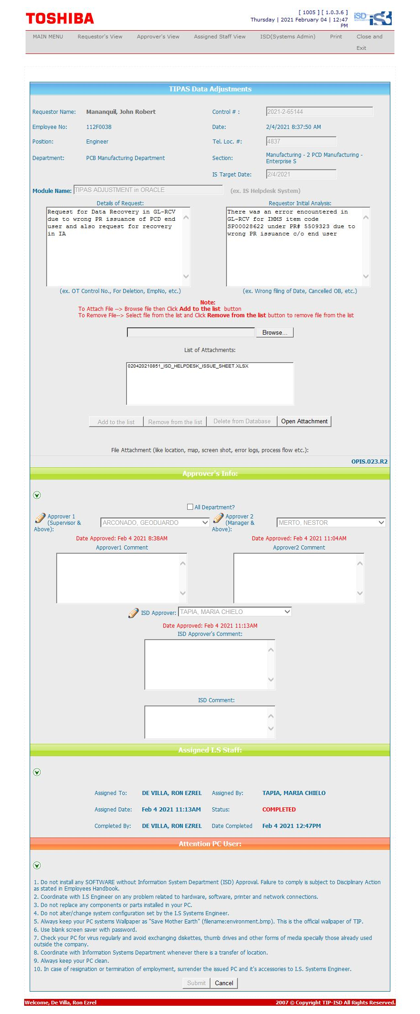
Helpdesk Request

 | ATTACH SCREENSHOT OF HELPDESK REQUEST.

